List of tables
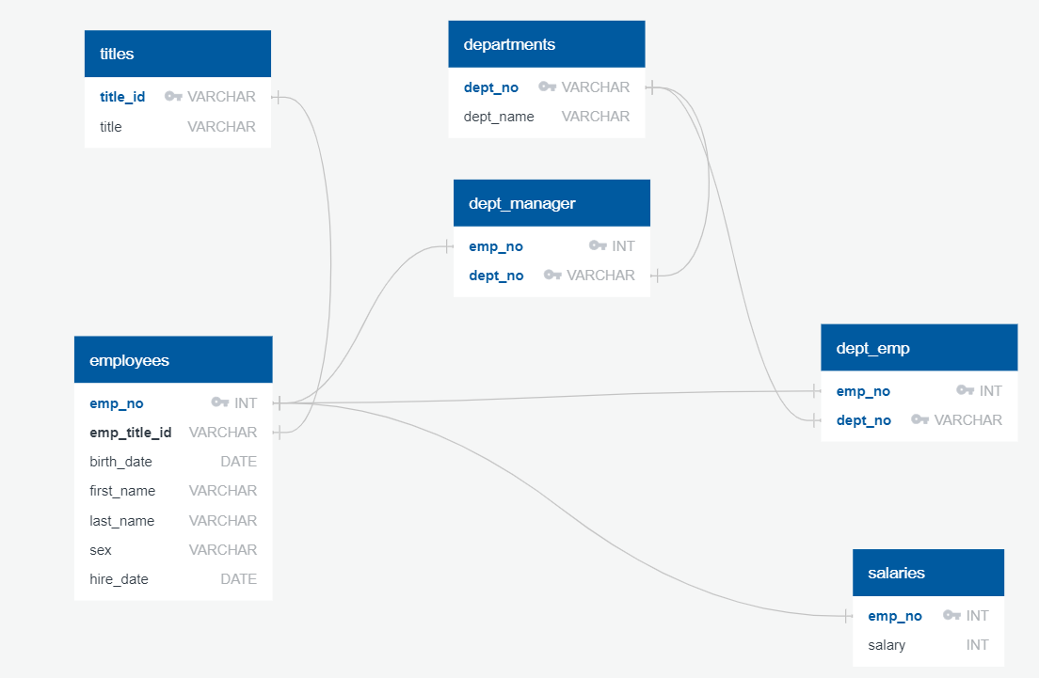
TABLE/LABEL | PK? | FK? |  | TABLE | LABEL | PK | uniquely identifies each record in a table (parent)
titles |  |  |  |  |  | FK | links two tables together(child)
title_id | PK
title

employees
emp_no | PK
emp_title_id |  | FK | REFERENCES | titles | title_id
birth_date
first_name
last_name
sex
hire_date

departments
dept_no | PK
dept_name

dept_manager
dept_no | PK | FK | REFERENCES | departments | dept_no
emp_no | PK | FK | REFERENCES | employees | emp_no

dept_emp
emp_no | PK | FK | REFERENCES | employees | emp_no
dept_no | PK | FK | REFERENCES | departments | dept_no

salaries
emp_no | PK | FK | REFERENCES | employees | emp_no
salary

